communication protocol
 | communication protocol

 | The host controller and the steering gear communicate in a question and answer manner, the host controller issues an instruction packet, and the servo returns a response packet. Multiple servos are allowed in a network, so each servo is assigned an ID number. The control command issued by the controller contains the ID information. Only the servo that matches the ID number can completely receive the command and return the response message. The communication mode is serial asynchronous mode, and one frame of data is divided into 1 bit start bit, 8 data bits and 1 stop bit, and no parity bit.

 | Instruction package
 | Frame header （Two bytes） | ID number (one byte) | Data length (one byte) | Instruction (one byte) | Parameter (N bytes) | Checksum (one byte)
 | 0xFF 0XFF | ID | Length | Instruction | Parameter1 ...Parameter N | Check Sum

 | Header: Receive 0XFF 0XFF continuously, indicating that a packet has arrived.
 | ID: Each servo has an ID number. The ID number ranges from 0 to 253 and is converted to the XX00 ~ 0XFD system. Broadcast ID: ID number 254 is the broadcast ID. If the controller receives the ID number 254 (0XFE), all the servos receive the command, but they do not return the response message.
 | Data length: equal to the length of the parameter to be sent, N plus 2, ie "N+2".
 | Parameters: Control information that needs to be added in addition to the command.
 | Checksum: Checksum, the calculation method is as follows:
 | Check Sum = ~ (ID + Length + Instruction + Parameter1 + ... Parameter N)
 | If the calculation in parentheses exceeds 255, the lowest byte is taken, and "~" indicates negation.

 | 2.3 Response package
 | The response packet is the response of the servo to the controller. The response packet format is as follows:
 | Frame header (two bytes) | ID number (one byte) | Data length (one byte) | Current status (one byte) | Parameter (N bytes) | Checksum (one byte)
 | 0xFF 0XF5 | ID | Length | ERROR | Parameter1 ...Parameter N | Check Sum

 | The returned response packet contains the current state of the servo. ERROR. If the current working state of the servo is abnormal, it will be reflected by this byte. The representative information of each digit is as follows:
 | BIT | name | detailed
 | BIT7 | 0
 | BIT6 | 0
 | BIT5 | overload | When the position mode is running, the output torque is less than the load set 1.
 | BIT4
 | BIT3
 | BIT2 | overheat | Temperature exceeds the specified range set 1
 | BIT1
 | BIT0 | Overvoltage and undervoltage | The voltage is set to exceed the specified range set 1
 | If ERROR is 0, the servo has no error message.
 | If the instruction is the read command READ DATA, then Parameter1 ...Parameter N is the read information.

 | 2.4 Instruction Type
 | The available instructions are as follows:
 | instruction | Features |  |  | value | Parameter length
 | PING（Inquire） | Query work status |  |  | 0x01 | 0
 | READ DATA（read） | Query the characters in the control table |  |  | 0x02 | 2
 | WRITE DATA（write） | Write characters to the control table |  |  | 0x03
 | REG WRITE（Asynchronous write） | Similar to WRITE DATA, but the control characters are not written immediately after writing, until the ACTION command arrives |  |  | 0x04
 | ACTION（Perform asynchronous writes） | Trigger REG WRITE write action |  |  | 0x05 | 0
 | RESET（Reset） | Reset the control table to the factory value |  |  | 0x06 | 0
 | SYNC WRITE（Synchronous write） | For controlling multiple servos simultaneously |  |  | 0x83

 | 2.4.1 WRITE DATA
 | Features |  | Write data to the servo control table
 | length |  | N+3 (N is the length of the written data)
 | instruction |  | 0X03
 | Parameter 1 |  | The first address of the data write segment
 | Parameter 2 |  | The first data written
 | Parameter 3 |  | Second data
 | Parameter N+1 |  | Nth data
 | Example 1 .Set the ID of an arbitrary numbered servo to 1.
 | The address where the ID number is stored in the control table is 3 (see the following for the control table), so write 1 at address 3. The ID of the transmitted command packet uses the broadcast ID (0xFE).
 | Instruction frame： 0XFF 0XFF 0XFE 0X04 0X03 0X05 0X01 0XF4
 | Header | ID | Effective data length | instruction | parameter | Checksum
 | 0XFF 0XFF | 0XFE | 0X04 | 0X03 | 0X05 0X01 | 0XF4
 | Because there is a broadcast ID delivery instruction, there will be no data return.
 | The checksum is calculated as follows:
 | Check Sum = ~ (ID + Length + Instruction + Parameter1 + ... Parameter N)
 | If the calculated sum exceeds 255, the lowest byte is taken, and "~" indicates negation.

 | 2.4.2 READ DATA
 | Features | Read data from the servo control table
 | length | 0X04
 | instruction | 0X02
 | Parameter 1 | The first address of the data readout segment
 | Parameter 2 | Read data length
 | Example 2. Read the current position of the servo with ID 1.
 | Two bytes are read from the address 0X38 in the control table.
 | Instruction frame：0XFF 0XFF 0X01 0X04 0X02 0X38 0X02 0XBE
 | Header | ID | Effective data length |  | instruction | parameter | Checksum
 | OXFF X0FF | 0X01 | 0X04 |  | 0X02 | 0X38 0X20 | 0XBE
 | Returned data frame： 0XFF 0XFF 0X01 0X03 0X00 0X20 0XDB
 | Header | ID | Effective data length |  | Working status | parameter | Checksum
 | 0XFF 0XF5 | 0X01 | 0X04 |  | 0X00 | 0X00 0X20 | 0XDB
 | The data read is 0x0020, indicating that the current position is 32° (0x0020).

 | 2.4.3 Asynchronous write instruction----REG WRITE
 | The REG WRITE instruction is similar to WRITE DATA except that the execution time is different. When the REG WRITE instruction frame is received, the received data is stored in the buffer spare and the Registered Instruction register (Address 0x2c) is set. When the ACTION command is received, the stored instructions are finally executed.
 | Length N+3 (N is the number of data to be written)
 | instruction 0X04
 | parameter1 The first address of the data to be written to the key
 | parameter2 The first data to be written
 | parameter3 The second data to be written
 | parameter N+1 The Nth data to be written

 | 2.4.4 Execute asynchronous write instructions : ACTION
 | Function Touch REG WRITE command
 | Length 0X02
 | instruction 0X05
 | parameter no
 | The ACTION command is very useful when controlling multiple servos at the same time.
 | When controlling multiple independent servos, use the ACTION command to have the first and last servos perform their respective actions simultaneously with no delay in between.
 | When sending an ACTION command to multiple servos, the broadcast ID (0xFE) is used. Therefore, there is no data frame return for this command.

 | 2.4.7 Synchronous write command: SYNC WRITE
 | Function for controlling multiple servos at the same time
 | ID 0XFE
 | Length (L + 1) * N + 4 (L: The data length sent to each servo, N: the number of servos)
 | instruction 0X83
 | parameter1 The first address to write data
 | parameter2 Length of data written (L)
 | parameter3 ID number of the first servo
 | parameter4 Write the first data of the first servo
 | parameter5 Write the second data of the first servo
 | ...
 | parameter L+3 Write the Lth data of the first servo
 | parameter L+4 The ID number of the second servo
 | parameter L+5 Write the first data of the second servo
 | parameter L+6 Write the second data of the second servo
 | …
 | parameter 2L+4 Write the Lth data of the second servo
 | ….
 | Unlike the REG WRITE+ACTION command, the real-time performance is higher than this. A SYNC WRITE command can modify the contents of the control table of multiple servos at a time, and the REG WRITE+ACTION command is implemented step by step. However, when using the SYNC WRITE instruction, the data length written and the first address of the saved data must be the same, that is, the same action must be performed.
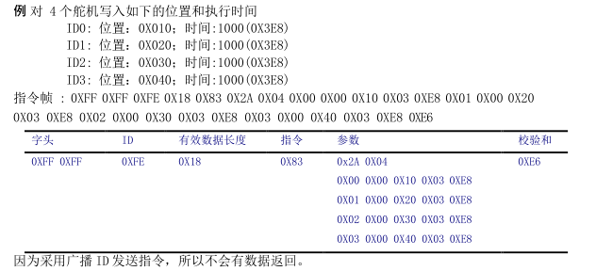

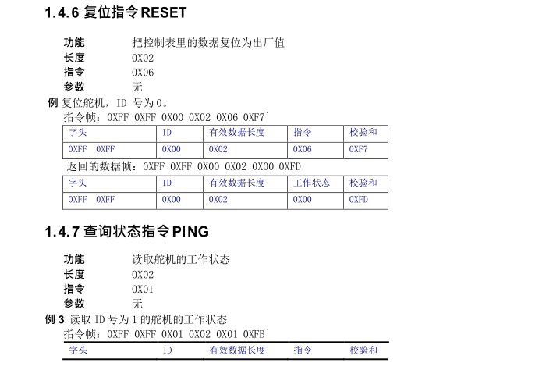

 | Chapter III Memory Control Table
 | 3.1 Memory control table
 | The information and control parameters of the robot servo itself form a table that is stored in the RAM and EEPROM fields of its control chip. We can achieve real-time control of the steering gear by modifying the contents of the table in real time. This table is called the memory control table and looks like this:
The function of the memory control table in yellow is currently not open.
 | address | Command item |  | Read/write |  |  |  | Initial value | Remarks
 | 0（0x00） | Servo Factory: Year |  | Read/write |  |  |  | --
 | 1（0x01） | Servo Factory: Monthly |  | Read/write |  |  |  | --
 | 2（0x02） | Servo Factory: Day |  | Read/write |  |  |  | --
 | 3（0x03） | Software version(H) |  | Read |  |  |  | --
 | 4（0x04） | Software version(L) |  | Read |  |  |  | --
 | 5（0x05） | ID |  | Read/write |  |  |  | 0x01
 | 6（0x06） | Baud rate |  | Read/write |  |  |  | 0x00
 | 7（0x07） | Boot times(H) |  | Read/write |  |  |  | 0x00 | Record the number of bootes
 | 8（0x08） | Boot times(L) |  | Read/write |  |  |  | 0x00
 | 9（0x09） | Minimum angle limit（H） |  | Read/write |  |  |  | 0x00 （0）
 | 10（0x0A） | Minimum angle limit（L） |  | Read/write |  |  |  | 0x00
 | 11（0x0B） | Maximum angle limit（H） |  | Read/write |  |  |  | 0x10 （4096）
 | 12（0x0C） | Maximum angle limit（L） |  | Read/write |  |  |  | 0x00
 | 13（0x0D） | Upper temperature limit |  | Read/write |  |  |  | 0x50(80°)
 | 14（0x0E） | Voltage upper limit |  | Read/write |  |  |  | 0x08
 | 15（0x0F） | Voltage off-line |  | Read/write |  |  |  | 0x04
 | 16（0x10） | Maximum torque（H） |  | Read/write |  |  |  | 0x03(800)
 | 17（0x11） | Maximum torque（L） |  | Read/write |  |  |  | 0x20
 | 18（0x12） | Speed adjustment |  | Read/write |  |  |  | 0X1E
 | 19（0x13） | Unloading condition |  | Read/write |  |  |  | 0x00
 | 20（0x14） | Median adjustment(H) |  | Read/write |  |  |  | 0x00
 | 21（0x15） | Median adjustment(L) |  | Read/write |  |  |  | 0x00
 | 22（0x16） | LED0 Control switch |  | Read/write |  |  |  | 0X00 | 0x01: Open 0x00: Off
 | 23（0x17） | LED1 Control switch |  | Read/write |  |  |  | 0X00
 | 24（0x18） | LED2 Control switch |  | Read/write |  |  |  | 0X00
 | 25（0x19） | LED0 Light off time |  | Read/write |  |  |  | 0x32（50ms） | LED light off time interval
 | 26（0x1A） | LED1 Light off time |  | Read/write |  |  |  | 0x32（50ms）
 | 27（0x1B） | LED3 Light off time |  | Read/write |  |  |  | 0x32（50ms）
 | 28（0x1C） | Steering gear/motor mode switching |  | Read/write |  |  |  | 0xFF | 0x01: Servo mode; 0x00: Motor mode
 | 29（0x1D） | Motor mode direction switching |  | Read/write |  |  |  | 0xFF | 0x01: clockwise rotation; 0x00: counterclockwise rotation

 | 40（0x28） | Torque switch |  | Read/write |  |  | RAM
 | 41（0x29） | LED |  | Read/write |  | 0X00
 | 42（0x2A） | target location（H） |  | Read/write
 | 43（0x2B） | target location（L） |  | Read/write
 | 44（0x2C） | Running time（H） |  | Read/write |  | 00（0x00）
 | 45（0x2D） | Running time（L） |  | Read/write |  | 00（0x00）
 | 46（0x2E） | Current current(H) |  | Read
 | 47（0x2F） | Current current(L) |  | Read
 | 48（0x30） | Lock sign |  | Read/write |  | 00（0x00）
 | 56（0x38） | current location（H） |  | Read
 | 57（0x39） | current location（L） |  | Read
 | 58（0x3A） | Running speed（H） |  | Read
 | 59（0x3B） | Running speed（L） |  | Read
 | 60（0x3C） | Current load (H) |  | Read
 | 61（0x3D） | Current load(L) |  | Read
 | 62（0x3E） | Current voltage |  | Read
 | 63（0x3F） | Current Temperature |  | Read
 | 64（0x40） | REG WRITE Sign |  | Read |  | 00（0x00）
 | 65（0x41） | Speed adjustment(H) |  | Read/write |  | Actually use the lower 8 bits of data
 |  | Speed adjustment(L) |  | Read/write

